Defect Report - Template
Title | Registration: web page should not registrate the user

Description / Overview | web page registrates the user when incorrect information is introduce

Reproduction Steps | 1- Open the application page http://127.0.0.1:5000/
 | 2- Click "Sign in"
 | 3- Click "Register here"
 | 4- Introduce the information
 | 5- Register

Expected Behavior | The page should reject the registration due to incorrect information

Actual Behavior | The Page register succesfully
 | 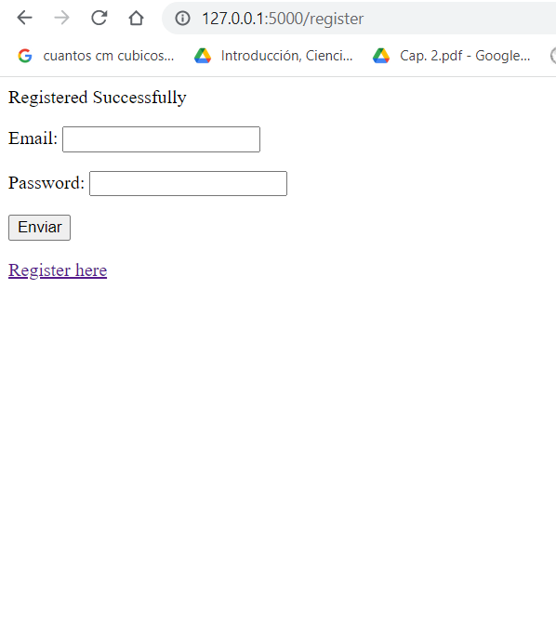
Incidence / Severity / Probability of reproduction | Critical severity - the registration does not work correctly
 | 100% reproduction rate

Story and Acceptance Criteria affected | Affected User Story: PE-16

Browsers tested | Google Chrome,

Environment | QA environment, http://127.0.0.1:5000/

Notes | The page reacts as if nothing happened, it only informs when the password do not match

